Sheet1
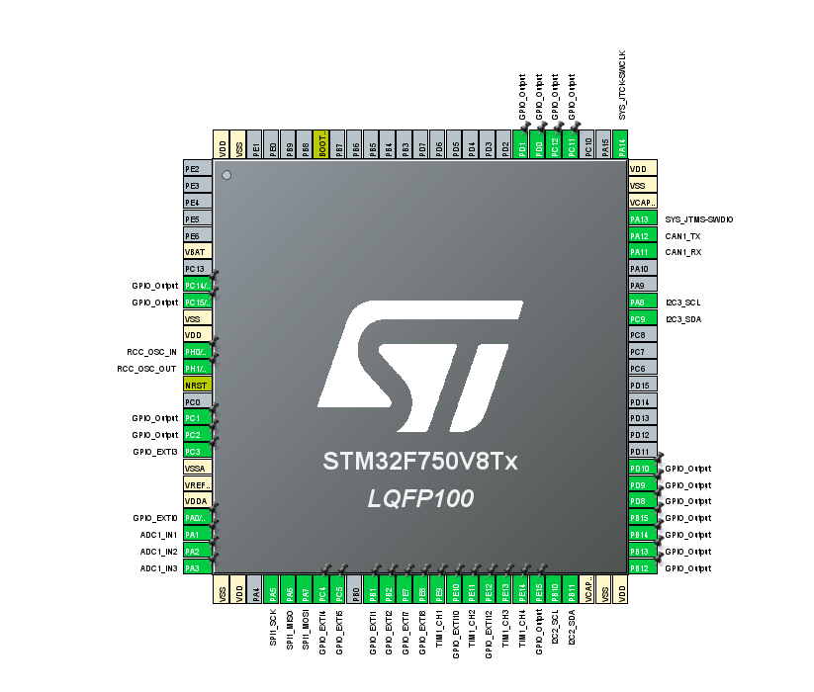
 | MCU Pin Name | Function | Comments
1 | PA13 | SWDIO | Programming and debuging pin
2 | PA14 | SWCLK | Programming and debuging pin
3 | PA12 | CAN1_TX | Communications and interface
4 | PA11 | CAN1_RX | Communications and interface
5 | PB10 | I2C2_SCL | MP2770 control
6 | PB11 | I2C2_SDA | MP2770 control
7 | PA5 | SPI1_SCK | ADC and DAC communication
8 | PA6 | SPI1_MISO | ADC and DAC communication
9 | PA7 | SPI1_MOSI | ADC and DAC communication
10 | PA8 | I2C3_SCL | MCP23008 GPIO expander control
11 | PC9 | I2C3_SDA | MCP23008 GPIO expander control
12 | PA1 | ADC1_IN1 | NTC analog read for PCB temperature measure
13 | PA2 | ADC1_IN2 | eFuse (MPQ5069) current measure
14 | PA3 | ADC1_IN3 | eFuse (MPQ5069) current measure
15 | PA0 | GPIO_EXTI0 | eFuse (MPQ5069) fault detection
16 | PC3 | GPIO_EXTI3 | eFuse (MPQ5069) fault detection
17 | PC2 | GPIO_Output | eFuse (MPQ5069) auto pin control
18 | PC1 | GPIO_Output | eFuse (MPQ5069) auto pin control
19 | PH1 | RCC_OSC_OUT | External oscillator pins
20 | PH0 | RCC_OSC_IN | External oscillator pins
21 | PE9 | TIM1_CH1 | PWM generator for fan control
22 | PE11 | TIM1_CH2 | PWM generator for fan control
23 | PE13 | TIM1_CH3 | Input compare for fan RPM feedback
24 | PE14 | TIM1_CH4 | Input compare for fan RPM feedback
25 | PD1 | GPIO_Output | User LED
26 | PD0 | GPIO_Output | User LED
27 | PC12 | GPIO_Output | User LED
28 | PC11 | GPIO_Output | User LED
29 | PC4 | GPIO_EXTI4 | MCP23008 Interrupt detection
30 | PC5 | GPIO_EXTI5 | MCP23008 Interrupt detection
31 | PB1 | GPIO_EXTI1 | MCP23008 Interrupt detection
32 | PB2 | GPIO_EXTI2 | MCP23008 Interrupt detection
33 | PE7 | GPIO_EXTI7 | MCP23008 Interrupt detection
34 | PE8 | GPIO_EXTI8 | MCP23008 Interrupt detection
35 | PE10 | GPIO_EXTI10 | MCP23008 Interrupt detection
36 | PE12 | GPIO_EXTI12 | MCP23008 Interrupt detection
37 | PE15 | GPIO_Output | MPC23008 /RESET control
38 | PB12 | GPIO_Output | MPC23008 /RESET control
39 | PB13 | GPIO_Output | MPC23008 /RESET control
40 | PB14 | GPIO_Output | MPC23008 /RESET control
41 | PB15 | GPIO_Output | MPC23008 /RESET control
42 | PD8 | GPIO_Output | MPC23008 /RESET control
43 | PD9 | GPIO_Output | MPC23008 /RESET control
44 | PD10 | GPIO_Output | MPC23008 /RESET control
45 | PC14 | GPIO_Output | MPQ4371 enable pin control
46 | PC15 | GPIO_Output | MPQ4371 enable pin control

